MDForm
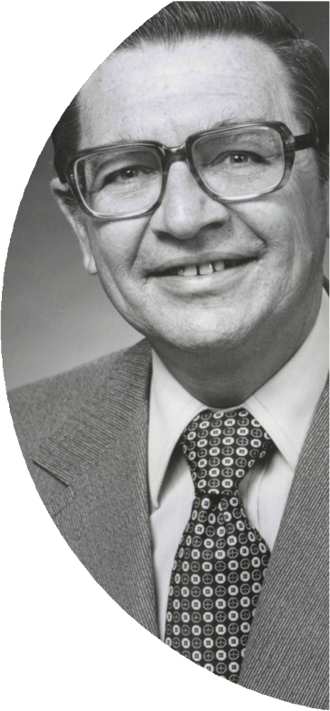
The Clem Renouf

End Polio Now Club
Each year, well over 100,000 Rotarians around the
world make a donation in support of Rotary’s number
one objective, ending polio.That’s about 10% of members.
Our club aims to lead the world, with 100% of our
members each personally contributing $10 or more.
We are going to END POLIO NOW!
Complete this form when submitting a single contribution reflecting the combined gifts of multiple club members.
Please do not send cash. Club Treasurers can also make contributions to The Rotary Foundation on behalf of their
club or multiple club members at rotary.org/donate and selecting This donation is from my club or its members.
Data privacy is important to Rotary International and The Rotary Foundation (collectively, “Rotary”) — the personal data
shared with Rotary will only be used for official Rotary business to support Rotary’s core business purposes.
Personal data collected on this form is subject to Rotary’s Privacy Policy found at my.rotary.org/en/privacy-policy.
 | Contributions to credit of:
 | Rotary Club of
 | Club #
 | District #
1. DESIGNATION / PURPOSE
 | Contributions to the Clem Renouf End Polio Now Club are directed to the PolioPlus fund.
2. CONTRIBUTION DETAILS |  |  | Note that individual contributions
 | Amount of contribution: |  | (below) currently sum to
 | Currency: | AUD | $0.00

 |  | Credit card contributions can be made at | rotary.org/donate
 |  | Payable to “The Rotary Foundation”
 | Cheque number
 |  | Please email the contribution form and bank receipt to risppo@rotary.org on the day of the transfer.
 | Date transfer initiated:

3. INDIVIDUAL DONOR DETAILS (Identify and allocate individual contribution amounts.)
Please provide each individual donor’s membership ID, name, and personal contribution amount. Member names and ID numbers may be
 | downloaded by the club secretary and are also | listed in the Club Recognition Summary (CRS).
NOTE: Changes to designation can only be requested within 60 days of gift receipt date within current Rotary year.

 | Membership ID # | Donor Name (as appears on CRS) | Contribution Amount
1
2
3
4
5
6
7
8
9
10
11
12
13
14
15
16
17
18
19
20
21
22
23
24
25
26
27
28
29
30
31
32
33
34
35
36
37
38
39
40
41
42
43
44
45
46
47
48
49
50
51
52
53
54
55
56
57
58
59
60
61
62
63
64
65
66
67
68
69
70
71
72
73
74
75
76
77
78
79
80
 | Please specify payment method, above | TOTAL (payable to the Polio Plus Fund) | $0.00
4. INDIVIDUAL COMPLETING THIS FORM |  | NOTE: difference from "Amount of Contribution" above = | 0
Name: |  | Daytime Phone:
Email: |  | Date:

Please do not enclose any additional correspondence. For contribution or recognition questions, please contact Rotary International at:
RI SOUTH PACIFIC & PHILIPPINES OFFICE |  | PO Box 6985, Norwest, NSW, 2153 | Tel: (61-2) 8894 9800, risppo@rotary.org

